Hiearchy View
CLASS: PERIMETER INTRUSION DETECTION
device or sensor that detects the presence of an intruder attempting to breach the physical perimeter of a property, building, or other secured area. |  | 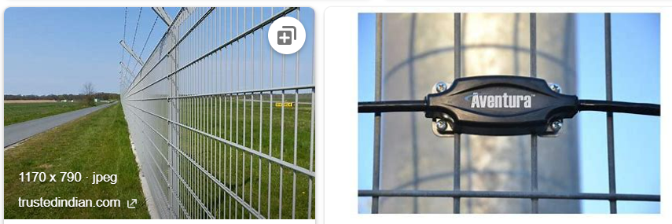
REMOVE | N

PROBLEM_DESC | CAUSE_DESC | REMEDY_DESC
ALARM/SENSOR
BROKEN/DAMAGED
LIGHTING
NOISE
OTHER PROBLEM
OVERHEATING
POWER-ELEC
STOPPED/SLOWED/POOR OPS
TEMP-CTRL
VIBRATION
Grand Total

